illustration of trading system
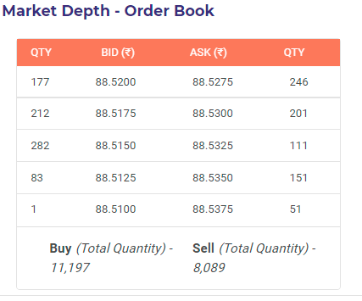
example of order matching system

